Table
Endowment Pool |  |  |  |  |  |  |  |  |  |  | 1000000

(in millions) | 2014-15 | 2015-16 | 2016-17 | 2017-18 | 2018-19 | 2019-20 | 2020-21 | 2021-22 | 2022-23 | 2023-24 |  | 2005-06 | 2006-07 | 2007-08 | 2008-09 | 2009-10 | 2010-11 | 2011-12 | 2012-13 | 2013-14
UI Center for Advancement Endowments | $887 | $899 | $1,004 | $1,080 | $1,146 | $1,071 | $1,392 | $1,472 | $1,522 | $1,638 |  | $585 | $693 | $632 | $514 | $610 | $767 | $695 | $766 | $869
University of Iowa Endowments | $386 | $371 | $393 | $420 | $439 | $436 | $595 | $632 | $653 | $687 |  | $248 | $290 | $251 | $200 | $227 | $292 | $302 | $340 | $393
UI Strategic Initiatives Fund (P3) |  |  |  |  |  |  | $1,126 | $1,049 | $1,085 | $1,155
Combined Endowments | $1,273 | $1,270 | $1,397 | $1,500 | $1,585 | $1,506 | $3,113 | $3,153 | $3,260 | $3,480 |  | $833 | $983 | $883 | $714 | $837 | $1,059 | $997 | $1,106 | $1,262

UI Center for Advancement Distributions | $95.55 | $97.56 | $142.41 | $125.39 | $136.62 | $133.53 | $101.86 | $124.24 | $156.75 | $170.71 |  | -- | -- | -- | $57.37 | $58.46 | $68.97 | $90.70 | $85.19 | $91.54
Sources:
University of Iowa Center for Advancement
Annual University of Iowa audited Financial Report | (http://afr.fo.uiowa.edu/annual-reports)
Note: the UI Strategic Initiatives Fund was formed to manage the proceeds of the university's public-private partnership (P3) with ENGIE North America and Meridiam.
 | https://strategicplan.uiowa.edu/public-private-partnership-p3
10-Year Combined UI-UI Center for Advancement Endowment Pool, by Fiscal Year
 | University of Iowa Endowments | UI Center for Advancement Endowments | UI Strategic Initiatives Fund (P3)
2014-15 | $386 | $887
2015-16 | $371 | $899
2016-17 | $393 | $1,004
2017-18 | $420 | $1,080
2018-19 | $439 | $1,146
2019-20 | $436 | $1,071
2020-21 | $595 | $1,392 | $1,126
2021-22 | $632 | $1,472 | $1,049
2022-23 | $653 | $1,522 | $1,085
2023-24 | $687 | $1,638 | $1,155

Source
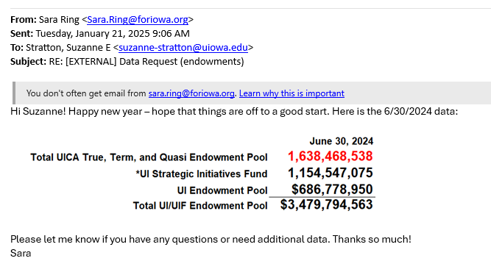

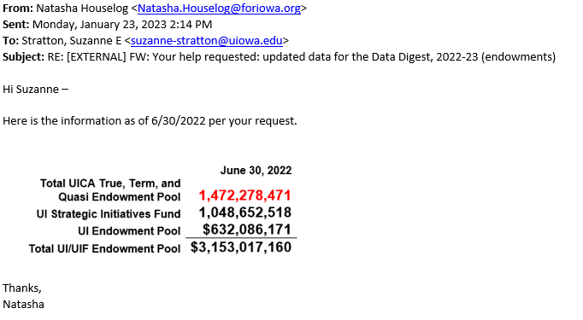

From: Romont, Steven D <steven-romont@uiowa.edu>
Sent: Monday, February 4, 2019 9:34 AM
To: Yows, Kristina <kristina-yows@uiowa.edu>
Cc: Martin, Selina J <selina-martin@uiowa.edu>
Subject: RE: Data Digest - Endowment report question

Kris – the amount for FY17 should be $142,412,000.

Steve
ph. 319-335-0104

From: Yows, Kristina <kristina-yows@uiowa.edu>
Sent: Monday, January 28, 2019 1:55 PM
To: Martin, Selina J <selina-martin@uiowa.edu>
Subject: Data Digest - Endowment report question

Selina –

We have a page in the Data Digest related to endowments – see the picture below. We get most of the data from the Center for Advancement, but the numbers on the “Distributions” line come from the Financial Report (see the snips below the chart). The Financial Report provides a “distributions” amount for the most recent fiscal year and the year prior.

This year, the distribution amount for FY17 is reported differently in the FY18 Financial Report than it was in the FY17 Financial Report. I am trying to determine which of the two amounts should be cited in our Digest Report, in the FY17 cell on the Distributions line. Would you be able to direct me? (There hasn’t been a difference before, so this hasn’t come up.)

Thanks,
Kris

From: Stratton, Suzanne E <suzanne-stratton@uiowa.edu>
Sent: Friday, January 25, 2019 2:46 PM
To: Yows, Kristina <kristina-yows@uiowa.edu>
Subject: FW: Digest report re: endowments

Hi Kris!

Is this what you needed from the Foundation?

Let me know if you need something further.
Suzanne

Suzanne Stratton
Office of the Provost, University of Iowa
319.335.3029

From: Sarah Cavanaugh <Sarah.Cavanaugh@foriowa.org>
Sent: Friday, January 25, 2019 2:44 PM
To: Stratton, Suzanne E <suzanne-stratton@uiowa.edu>; Natasha Houselog <Natasha.Houselog@foriowa.org>
Subject: RE: Digest report re: endowments

Hi Suzanne,

UICA Endowment Pool as of 6/30/18: $1,079,740,576
UI Endowment Pool as of 6/30/18: $420,356,929
Total: $1,500,097,505

Total Transfers: $114,123,723

Thanks!
Sarah

From: Stratton, Suzanne E | http://www.uifoundation.org/about/annual-report-archive/
Sent: Friday, May 25, 2018 10:03 AM | http://afr.fo.uiowa.edu/annual-reports
To: Yows, Kristina <kristina-yows@uiowa.edu>
Subject: FW: Digest report re: endowments

This is what the Foundation sent me. Is this helpful? If you need something additional, please let me know and I can request it.

Thanks,
Suzanne

Suzanne Stratton
Office of the Provost, University of Iowa
319.335.3029

From: Sarah Cavanaugh <Sarah.Cavanaugh@foriowa.org>
Sent: Thursday, May 24, 2018 2:02 PM
To: Natasha Houselog <Natasha.Houselog@foriowa.org>
Cc: Stratton, Suzanne E <suzanne-stratton@uiowa.edu>
Subject: RE: Digest report re: endowments

UICA Endowment Pool as of 6/30/17: $1,003,948,560
UI Endowment Pool as of 6/30/17: $393,290,000
Total: $1,397,238,560

Total Transfers: $132,685,071

Let me know if you need anything further.

Thanks!
Sarah

http://www.uifoundation.org/annual-report/2016/financials/
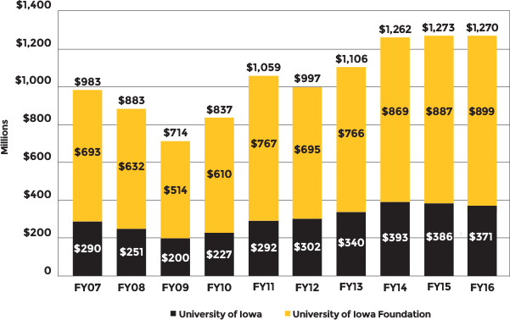

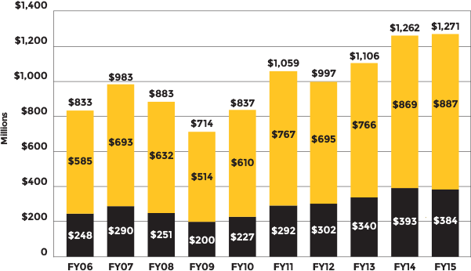
http://www.uifoundation.org/annual-report/2015/financial-overview/

